ITP-02-06
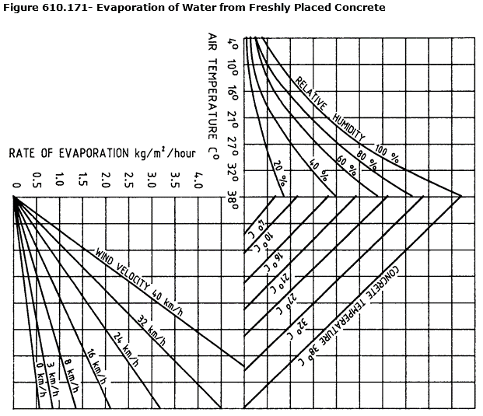
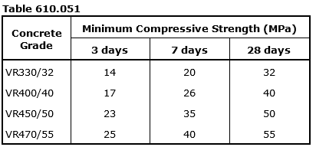
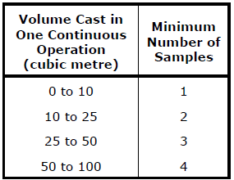
 |  |  | Inspection and Test Plan - Control and Supervision of the Works |  |  |  |  |  |  |  | Document # DTM-ITP-11
 |  |  |  |  |  |  |  |  |  |  | Revision : 0 | Date: 11/10/2024

Client: |  | Department of State Growth |  | Construction Process: |  | Prepared by: |  | Reviewed by : |  |  | Approved by :
Project: |  | Macquarie to Davie St Transit Connection |  | Retaining wall (noise attenuation) concrete structural footing |  | Name: | James Clark | Name: David-Shaw Johnston | Patrick Schurink-Moeller |  | Name: Sam Arnold
Contract No: |  |  |  | Specifications: DSG Standard Specification – Section 683, 684 & Section 610, Contract Specific Clauses, AS1012, AS1379
 |  |  |  | Structure / Component: structural concrete footing |  | Signed : |  | Signed : |  |  | Signed :
 |  |  |  | Location: 326 Macquarie St / 241 Davie St |  | Date : |  | Date : |  |  | Date :

Lot No: |  |  | Lot Details: |  |  |  |  |  | Lot Size/ Quantity:

Item | Task/Activity Description |  | Inspection / Controls and Verification Detail |  |  |  |  | HP/ WP/ AP/ IP/ TP/ SCP | Responsibility | Checked by:
No. |  |  | Frequency | Acceptance Criteria | Reference Documents | Inspection / Test Method | Record of conformity |  | Project Engineer Site Engineer Superintendent Surveyor Foreman | QAV | Fulton Hogan | Client | Date
1 | Pre-Construction
1.1 | Check for correct documentation |  | Prior to commencing any activity | Ensure that all employees and subcontractors are: - using the correct and complete set of drawings -all drawings are the latest revision | Drawings and drawing registers | Visual inspection | This ITP signed off | WP | Fulton Hogan Engineer | N/A |  | N/A
1.2 | Implementation of all measures and controls |  | Prior to commencing any activity | All necessary measures and controls are being implemented, that is: PSP, EMP, TMP, JSEA, SWMS & WP | PSP, EMP, TMP, OHSMP, SWMS, WP | Visual Inspection | This ITP signed | WP | FH Engineer / Site Foreman | N/A |  | N/A
2 | Prequalification
2.1 | Submission of Mix Design |  | Prior to commencing | Hold Point Concrete mix design complies with requirements of Section 610 and appears on the Register of State Growth approved concrete mixes. Submit for review by the Superintendent not less than 4 weeks prior to the placement of concrete. | Specification Section 610.07 | Correspondence of receipt of mix design | Superintendent HP Release on Procore | HP | FH Engineer/ Superintendent | N/A
2.2 | Reinforcement |  | Prior to commencing | Steel reeinforcement complies with the requirements of Section 611. | Specification Section 611 | Visual Inspection | This ITP signed, Pre-pour inspection checklist | IP | FH Engineer / QAV | N/A |  | N/A
2.3 | Reinforcement supply and certification |  | Prior to commencing | Supplier must hold Australian Certification Authority for Reinforcing Steel (ACRS) certificate. Hold Point No Third Party Certification. Approval shall be obtained in writing from the Superintendent for the use of steel reinforcing materials that are not covered by the long-term quality level of AS/NZS 4671 at least 14 days prior to the intended first date of use of such steel. | Specification Section 611.05 | Verify | HPR release in Procore if required | HP | FH Engineer / QAV |  |  | N/A
2.4
3 | Testing and Acceptance
3.1 | Pre-mixed concrete |  | as per table 610.161 | Concrete sampled at the worksite and complies to requirements of Section 610 including slump and temperature | Specification Section 610 | Test Point | Test Report, Pre-pour inspections checklist | TP | FH Engineer | N/A |  | N/A
3.2 | Concrete Testing - Sampling Frequency |  | Each Lot | Concrete cast in one continuous operation to be tested at a frequency as shown below: 0m³ to 10m³ = 1 sample 10m³ to 25m³ = 2 samples 25m³ to 50m³ = 3 samples 50m³ to 100m³ = 4 samples + 2 no. VPV cylinders. For each additional 50m³ and additional sample shall be taken. Each sample shall consist of 1 no. slump or spread test and 3 no. compressive strength cylinders minimum. Compressive strength cylinders = 1 no. 7 day strength, 2 no. 28 day strength. Where applicable, fibre dosage rates are to be tested at a frequency of 1 in every 5 truck loads. Record: Required information on the Concrete Pour Record. | 610.16 (b) 610.16 (g) 610.16 (j) | Test Point | Test Report, Pre-pour inspections checklist | TP | FH Engineer | N/A |  | N/A
3.3 | Concrete Testing - Core Sample Frequency (Post construction) |  | Each Lot | If required by the Superintendent: Hold Point: The coring procedure and core locations shall be submitted for approval by the Superintendent. 75mmØ core samples shall be taken after avoiding reinforcement, from each day's production for each lot at a frequency as shown below: 0m³ to 25m³ = 1 sample 25m³ to 50m³ = 2 samples For each additional 50m³ an additional sample shall be taken. Each sample shall consist of 6 no. core samples, taken perpendicular to the surface, no closer than 200mm from the edge and after 48 hours minimum. Core samples shall be tested for: 1 no. 3 day compressive strength 1 no. 7 day compressive strength 2 no. 28 day compressive strength 2 no. VPV tests | 610.16 (b) | Test Point | Test Report, Pre-pour inspections checklist | HP | FH Engineer | N/A |  | N/A
3.4 | Concrete Testing - Slump |  | Each Lot | Slump testing tolerances = <60mm = ±10mm ≥60mm to ≤80mm = ±15mm >80mm to ≤110mm = ±20mm >110mm to ≤150mm = ±30mm >150mm = ±40mm Record: Required information on the Concrete Pour Record. | 610.16 (c) | Test Point | This ITP signed | TP | FH Engineer | N/A
3.5 | Reinforcement |  | Prior to commencing | Steel reinforcement placement, fixing and lapping complies with requirements of Drawings | Structural Drawing Set | Visual Inspection | Pre-pour inspection checklist Subcontractor ITP | IP | FH Engineer | N/A |  | N/A
3.6 | Building Permit |  | Prior to commencing | Building Surveyor has provided Start Work Notification (Form 39) and inspected element prior to concrete pour | 160.08 | Verify | Start Work Notification (Form 39) Pre-pour inspection checklist | IP | FH Engineer | N/A |  | N/A
4 | Application
4.1 | Pre-pour |  | Each Lot | Pre-pour inspection checklist completed and details recorded (Temperature, Evaporation limits and concreting operations). | Specification Section 610, Figure 610.171 | Verify | Pre-pour inspection checklist | IP | FH Engineer | N/A |  | N/A
4.2 | Concrete Pumping |  | Each Lot | Initial discharge of concrete pumped to waste until a consistent workable mix observed | Specification Section 610.18 | Visual Inspection | Pre-pour inspection checklist | IP | FH Engineer | N/A |  | N/A
4.3 | Traceability |  | Each Lot | All concrete deliveries traceable from the batch plant to location in the structure including time from batching to spraying. Continuous concrete pours max lag between trucks = 25 minutes | Specification Section 610.15 | Verify | Concrete traceability checklist, Pour Record | IP | FH Engineer | N/A |  | N/A
4.4 | Finishing |  | Each Lot | Not specified in project specification. A trowel finish will be applied. No decorative/anti-carbonation coating required as footing will not be exposed in anyway following construction | Specification Section 610.31 | Visual Inspection | This ITP signed | IP | FH Engineer | N/A |  | N/A
4.5 | Curing |  | Each Lot | Curing in accordance with Specification Section 610. Freshly finished concrete protected where erequired from sun, wind or rain until curing implemented | Specification Sections 610 | Visual Inspection | This ITP signed / Post pour inspection checklist | IP | FH Engineer/JSCB | N/A |  | N/A
4.6 | Joints |  | Each Lot | All joints formed in accordance with Specification Section 610, Drawing requirements | 610.20, Structural Drawing Set | Visual inspection | This ITP signed | IP | FH Engineer | N/A |  | N/A
4.7 | Dimensional Tolerances |  | Each Lot | Maintain records of dimensional measurements to demonstrate that all completed concrete members comply with Spection Section 610. Ensure that the records are available for review by the Superintendent. | 610.47 | Verify | This ITP signed, AS BUILT | IP | FH Engineer | N/A |  | N/A
5 | Finishing Activities
5.1 | Final inspection |  | Each Lot after 28 days | Visual and soundness inspection conducted for analysis of compaction, dry patches, voids or sand pockets. Soundness inspection for drummy or hollow response. |  | Visual Inspection | This ITP signed, post pour inspection checklist | IP | FH Engineer | N/A |  | N/A
5.2 | Repair of defective areas |  | Each occurrence | Areas of finished work that have been deemed non-conforming alerted to the QAV and rectification method approved |  | Verify | This ITP signed, NCR report | HP* | FH Engineer | N/A |  | N/A
5.3 | As Built Documentation |  | Each Lot | Survey pick-up to be progressively completed. As built drawings to be be progressively completed. Test data, ITPs, Concrete Dockets, Checklists to be compiled and lot to be closed out. | FH Detailed Construction Methodology - Shotcrete Works | Verify | This ITP signed | IP | FH Engineer | N/A |  | N/A
6 | Post Construction
6.1 | Compressive Strength (& VPV Test Results if requested by Superintendent) |  | Each Lot | 3 & 7 day compressive strengths (cylinders and core samples) to comply with table 610.051 for early indication that the strength is tracking correctly. 28 day compressive strength (average of the 2 no. cylinders) per sample comply with the design strength comply with table 610.061. Visual inspection of all cores confirm that the minimum thickness of no less than 85% x thickness, and there are no signs of defects. Note: 1 of the 2 no. 28 day cylinders per sample may be as low as 90% of the required strength, so long as the average meets the required strength. Note: The average of the 2 no. 28 day cores per sample may be as low as 85% of the required strength, as long as the difference between each core, does not exceed 20%. Attach: Compressive Strength Test Results Attach: Core Sample Compressive Strength Test Results | Table 610.051 Table 610.061 610.16 (g) | Document Review, Each cylinder and core sample | This ITP signed | IP | FH Engineer | N/A |  | N/A
6.2 | Surface Inspection |  | Each Lot | Surface to be as per the required class of finish with no visible lack of compaction, dry patches, voids or sand pockets. Soundness inspection shall be conducted with a small hammer to locate ‘drummy’ or ‘hollow’ response areas which indicate a possible lack of bond, delamination or other defect. For core sample penetrations and if any visual defects are observed, follow Structural Concrete Cementitious Patch Repair ITP for investigation and repair. No cracks greater than 0.2mm (exposure classification B1) If cracking is observed, follow Structural Concrete Crack Repair ITP for investigation and repair. | 610.31 (a) - (n) 610.32 610.24 | Visual Measure | This ITP signed | IP | FH Engineer | N/A |  | N/A
6.3 | As-built Survey |  | Each Lot | Provide record of dimensional measurements to demonstrate concrete members comply with tolerances as per the Table 610.472 as applicable to the element. Where a shape is required, ±25mm with no depressions greater than 15mm. Attach: Survey As-builts / Survey Report |  | As built | This ITP signed, HPR release in Procore | IP | FH Engineer | N/A |  | N/A

 | Final Inspection
 | The signature below verifies that this ITP has been completed in accordance with the FH’s Quality system Procedures and verifies lot compliance with specifications.
 | Print Name: |  | Position: |  | Signature: |  |  |  |  | Date: / /

Legend
HP | Hold Point | Work shall not proceed past the HP until released by the Superintendent |  |  | IP | Inspection point |  | Formal Inspection to be done and recorded
HP* | FH Hold Point | Work shall not proceed past the HP* until released by FH |  |  | TP | Test Point |  | Product compliance test to be undertaken and recorded/reported
WP | Witness Point | An inspection which may be witnessed by the Superintendent |  |  | SCP | Survey conformance point |  | A qualified surveyor to check product/section/structure and report
AP | Approval Point | Written or verbal approval given by the Superintendent

